Combo Chart
Row Labels | Sum of Sales | Sum of Profit
Jan | £95,366 | £9,199
Feb | £60,173 | £10,289
Mar | £199,253 | £26,807
Apr | £141,852 | £13,438
May | £156,122 | £22,309
Jun | £147,083 | £20,899
Jul | £149,581 | £13,535
Aug | £159,589 | £21,897
Sep | £309,770 | £37,293
Oct | £197,115 | £31,470
Nov | £349,120 | £35,826
Dec | £332,177 | £43,436
Grand Total | 2297200.8603 | 286397.0217

Pie Chart
Row Labels | Sum of Sales
Furniture | 32.30%
Office Supplies | 31.30%
Technology | 36.40%
Grand Total | 100.00%

Top 5
Row Labels | Sum of Sales
Binders | 203412.733
Tables | 206965.532
Storage | 223843.608
Chairs | 328449.103
Phones | 330007.054
Grand Total | 1292678.03

KPI
Row Labels | Sum of Sales | Row Labels | Sum of Profit | Row Labels | Sum of Quantity
Jan | 95365.9376 | Jan | 9199.27 | Jan | 1500
Feb | 60172.6494 | Feb | 10288.8987 | Feb | 1068
Mar | 199252.984 | Mar | 26806.5737 | Mar | 2491
Apr | 141851.5674 | Apr | 13437.8068 | Apr | 2441
May | 156122.2867 | May | 22308.5128 | May | 2850
Jun | 147082.6113 | Jun | 20899.3345 | Jun | 2644
Jul | 149580.838 | Jul | 13535.383 | Jul | 2705
Aug | 159589.451 | Aug | 21896.7154 | Aug | 2796
Sep | 309770.0997 | Sep | 37293.1925 | Sep | 5073
Oct | 197115.2017 | Oct | 31469.6638 | Oct | 3095
Nov | 349120.074 | Nov | 35825.5366 | Nov | 5741
Dec | 332177.1595 | Dec | 43436.1339 | Dec | 5469
Grand Total | 2297200.8603 | Grand Total | 286397.0217 | Grand Total | 37873

Final Dashboard
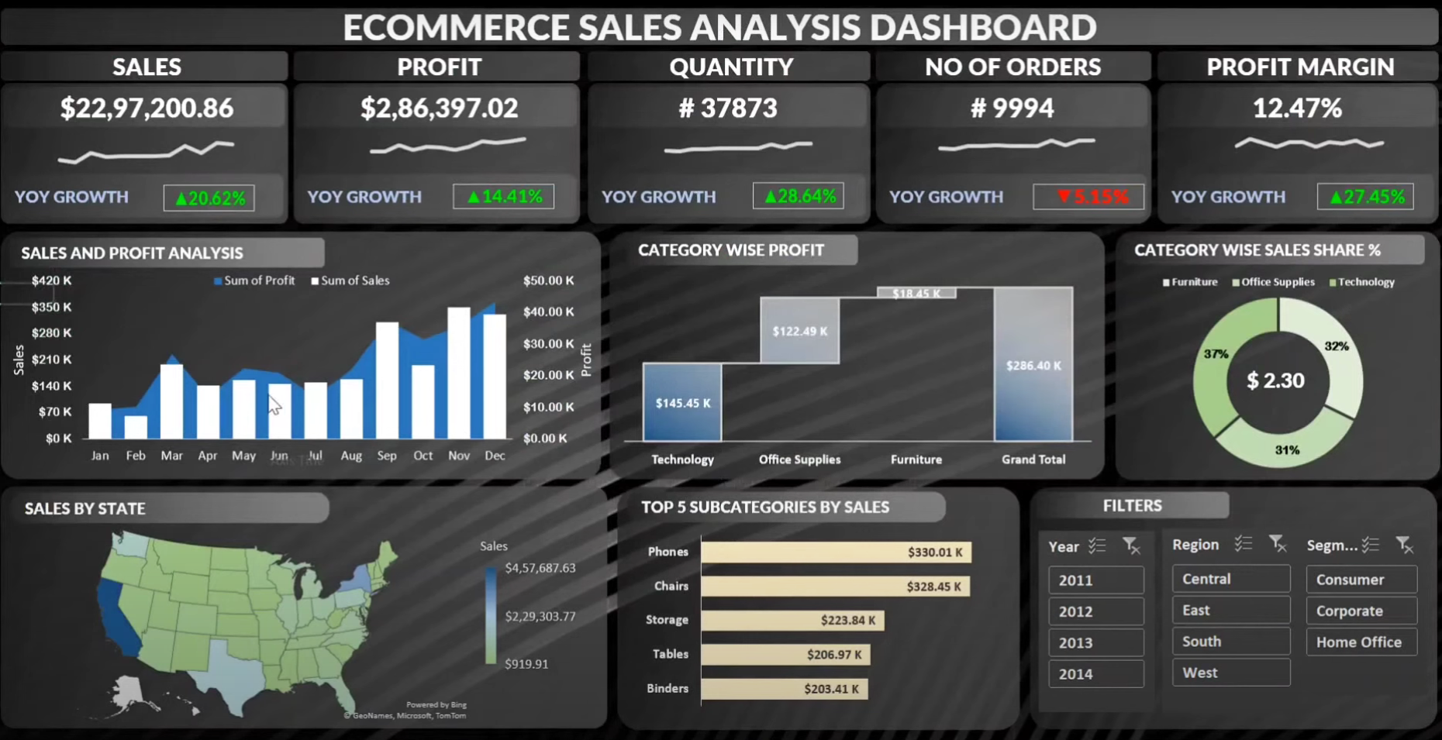

layout
ECOMMERCE SALES ANALYSIS DASHBOARD

SALES
PROFIT
QUANTITY
NO OF ORDERS
PROFIT MARGIN

SALES AND PROFIT ANALYSIS
CATEGORY WISE PROFIT
CATEGORY WISE SALES SHARE %
`` | #REF!

SALES BY STATE
TOP 5 SUBCATEGORIES BY SALES
FILTERS

